Sheet1
 |  | Document No. | Issue No. | Issue Date |  | Review and Replace Date |  |  | Authorised By
 |  | GFF0112MC | 1 | 23.08.2019 |  | New Issue |  |  | Magda Shah
 |  | Document Title | TANDORI CHICKEN BIRYANI 1200g
 |  |  | Page 1 of 1 |  | Clause |  | 6.1
Document amendments reason for change |  | New product launch |  |  | Previous Issue Date |  | New Issue |  | Uncontrolled copy unless signed original

CCBIR1-R1BIK | VICTORIA FUSION |  | TANDORI CHICKEN BIRYANI 1200g |  |  |  |  |  | CHILLED
STEP 1 |  |  | STEP 2 |  |  |  | STEP 3
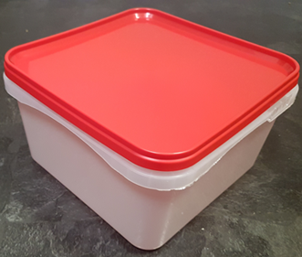 |  |  | 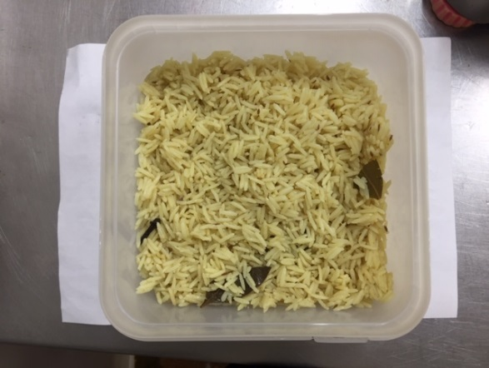 |  |  |  | 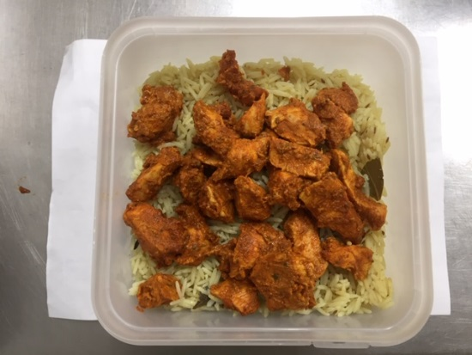

Tray/Lid: SALAD TUB RED LID NATURAL 2.4/4 LTR (PKSHA002-02) |  |  | BIRYANI RICE (GFF135R) 700g |  |  |  | TANDOORI CHICKEN (GFF137R) 220g

STEP 4 |  |  |  |  | STEP 5
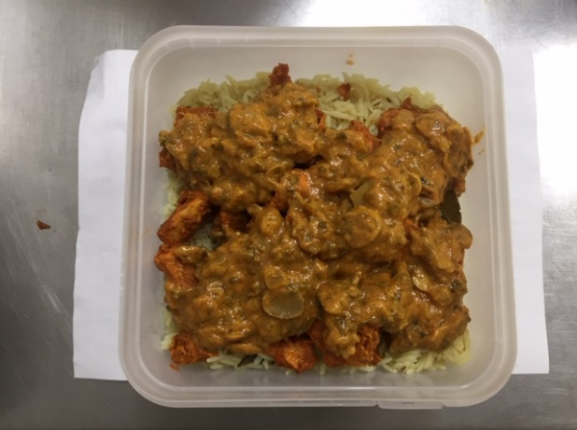 |  |  |  |  | 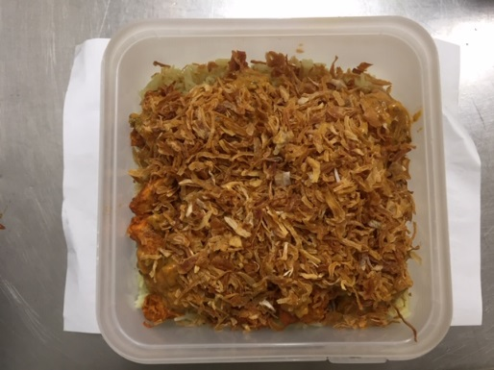

BIRYANI SAUCE (GFF136R) 240g |  |  |  |  | FRIED ONION (VIRANI) 40g |  |  | Total Weight: 1200g

ALLERGY ALERT: Milk, Barley

